TC-02
Result Uploaded
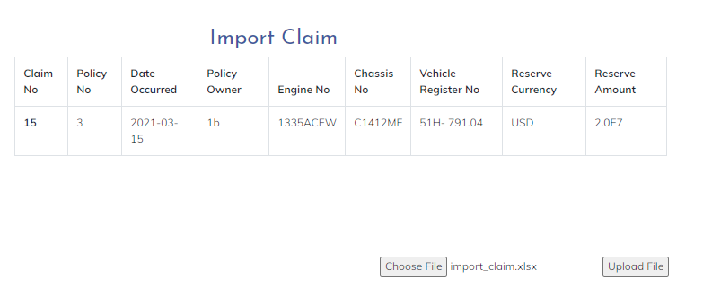

 | result show on screen

File Excel Import_claim

TC-01
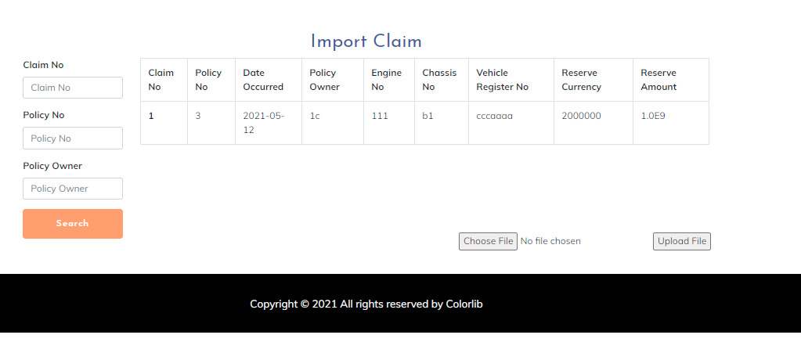
page search

